Definitions and Acronyms


Definitions and Acronyms

Co-located project in this report refers to a Battery Energy Storage project combined with a project (operational or planned) of another technology type (e.g. WT, PV or GT) at the same POI and having the same Interconnecting Entity.
Currently, ERCOT does not have information if these projects are going to be operated as a DC-Couple Resource, Self-Limiting Facility or as an independent Resource located at the same Point of Interconnection (POI).

Stand-Alone project in this report refers to a Battery Energy Storage project that does not have a project (operational or planned) of another technology type located at the same POI with the same Interconnecting Entity.

GIS Report = Generation Interconnection Status Report
FIS = Full Inteconnection Study
COD = Commercial Operation Date
POI = Point of lnterconnection
INR = Interconnection Request Number
CDR = Capacity, Demand and Reserves Report

Fuel Types | Technology Types
OTH = Other | BA = Battery Energy Storage
SOL = Solar | GT = Combustion (gas) Turbine, but not part of a Combined-Cycle
WIN = Wind | PV = Photovoltaic Solar
 | WT = Wind Turbine

Historic Trends
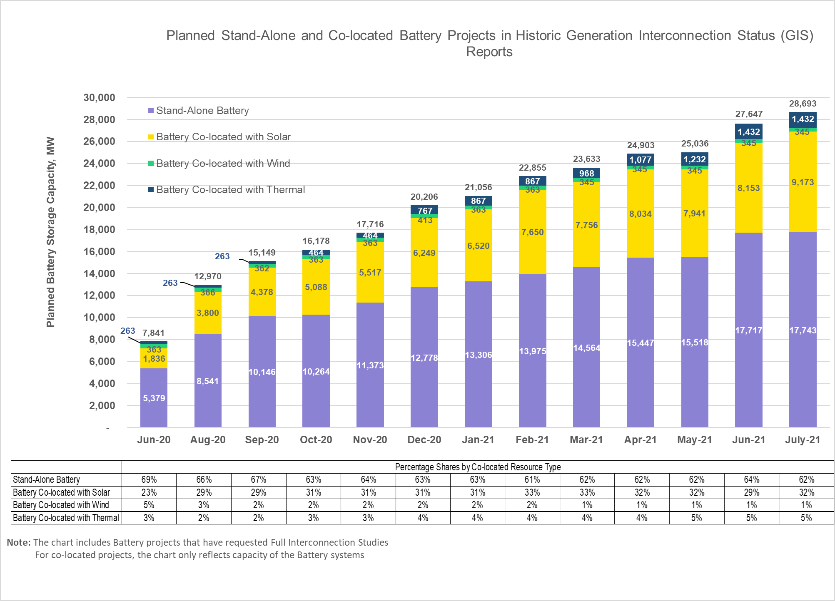
Planned Stand-Alone and Co-Located Battery Projects in Historic Generation Interconnection Status Reports

Battery RFI Charts
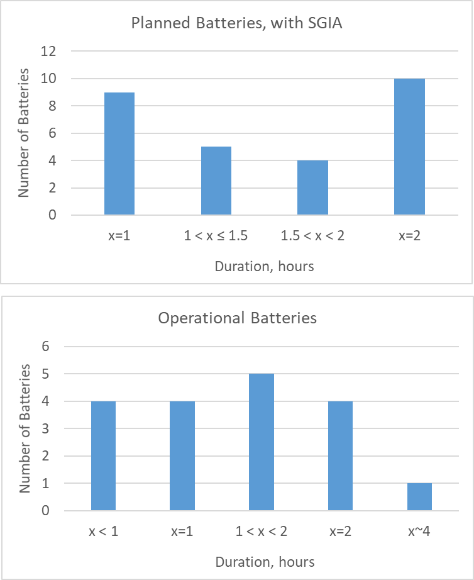
Summary of Battery Request for Information as of July 31, 2021

 | Number of batteries (incl. distributed) | Number of RFI Templates submitted | EIA-860 Energy (2019), additional
Operational | 31 | 11 | 7
Planned, with SGIA | 47 | 28 | -

