Contents


GINR Activity: Apr 01, 2021 to Apr 30, 2021

Table of Contents

Disclaimer and References | Disclaimer on the use of this report, and references to associated ERCOT Binding Documents ***Please read***
Acronyms | A list of the various acronyms used throughout the report
Summary | Tables that provide project aggregate counts and megawatt capacities by GINR phase and fuel type
Project Details | A table that lists project details; only includes projects for which a Full Interconnection Study has been requested
GINR Trends | Charts and tables that show historical and projected interconnection study trends
Commissioning Update | A table listing project commissioning approval milestones met for the month: energization, synchronization, and commercial operations approval
Inactive Projects | A table listing Inactive projects
Cancellation Update | A table listing the projects cancelled for the month

Time of Report Run: May 1, 2021 7:25:02 AM

GINR Trends
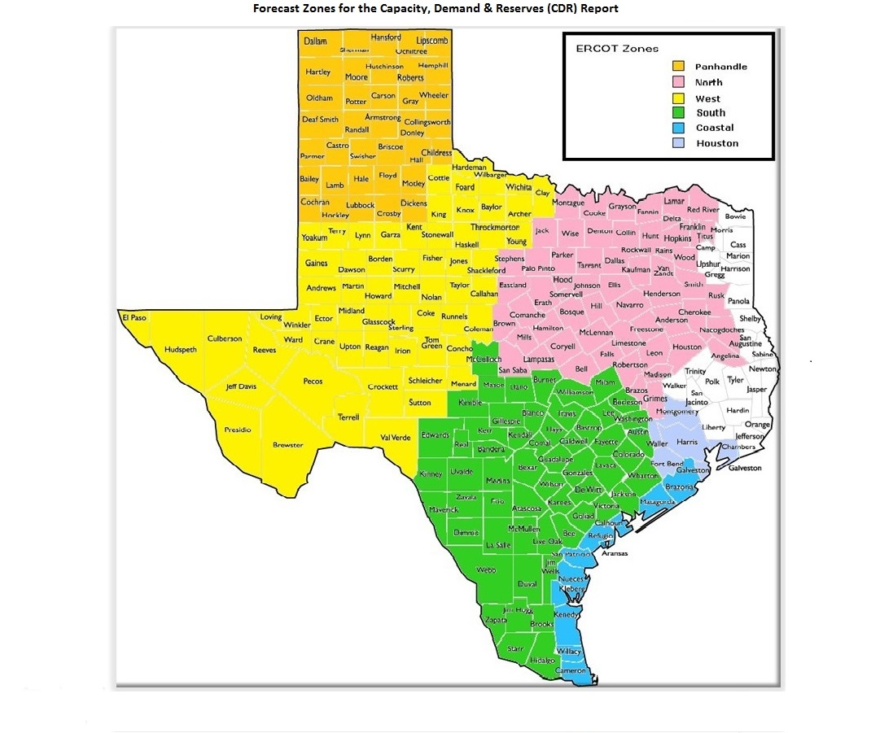
GINR Trends

Reflects all projects for which a Security Screening Study has been requested.
Excludes projects that have a status of Inactive (status = INA).
Nameplate capacity will change across time due to additional projects, cancelations, expirations, adjustments from study results, and projects being placed into service.

Monthly Capacity by GINR Milestone plus Project Count, 13-Month Rolling Basis
 | # Signed Interconnect Agreement | # Completed Full Study | # in Full Study | # Screening Study Complete | # Initial Screening study | GW Capacity
Apr-20 | 157 | 26 | 304 | 117 | 15 | 120.87084
May-20 | 159 | 27 | 300 | 89 | 20 | 116.52786
Jun-20 | 155 | 38 | 295 | 84 | 30 | 119.22852
Jul-20 | 158 | 48 | 298 | 84 | 27 | 121.43227
Aug-20 | 166 | 54 | 316 | 83 | 25 | 128.09003
Sep-20 | 182 | 40 | 318 | 65 | 28 | 126.46359
Oct-20 | 198 | 29 | 331 | 69 | 39 | 132.24761
Nov-20 | 199 | 27 | 332 | 78 | 37 | 134.01884
Dec-20 | 202 | 28 | 352 | 86 | 40 | 142.74278
Jan-21 | 216 | 27 | 354 | 84 | 57 | 146.9247
Feb-21 | 226 | 20 | 374 | 95 | 54 | 152.56652
Mar-21 | 230 | 17 | 392 | 66 | 73 | 151.32641
Apr-21 | 231 | 19 | 399 | 92 | 63 | 155.58329
 | Year | Month | Total Projects | Project Count |  |  |  |  |  | Project Capacity (MW)
 |  |  |  | GINR milestones |  |  |  |  |  | Fuel Type
 |  |  |  | Initial Screening Study | Screening Study Complete | In Full Study | Completed Full Study | Signed Interconnection Agreement | Cancelled | Wind | Solar | Gas | Nuclear | Coal | Biomass | Battery | Other
 | 2018 | Apr | 349 | 18 | 48 | 172 | 30 | 81 | 4 | 33,427 | 24,709 | 13,484 | 0 | 0 | 0 | 0 | 0
 | 2018 | May | 369 | 33 | 36 | 180 | 34 | 86 | 13 | 33,799 | 27,766 | 13,442 | 0 | 0 | 0 | 200 | 0
 | 2018 | Jun | 379 | 32 | 42 | 190 | 27 | 88 | 6 | 34,376 | 28,448 | 13,674 | 0 | 0 | 0 | 522 | 0
 | 2018 | Jul | 404 | 34 | 60 | 197 | 25 | 88 | 6 | 37,708 | 30,518 | 11,668 | 0 | 0 | 0 | 522 | 0
 | 2018 | Aug | 417 | 26 | 57 | 220 | 26 | 88 | 11 | 40,851 | 29,649 | 10,814 | 0 | 0 | 0 | 2,177 | 0
 | 2018 | Sep | 426 | 30 | 67 | 212 | 26 | 91 | 15 | 40,327 | 31,655 | 8,590 | 0 | 0 | 0 | 1,889 | 0
 | 2018 | Oct | 429 | 26 | 60 | 221 | 24 | 98 | 4 | 40,238 | 32,249 | 9,074 | 0 | 0 | 0 | 1,889 | 0
 | 2018 | Nov | 443 | 23 | 59 | 235 | 26 | 100 | 7 | 40,283 | 36,682 | 7,503 | 0 | 0 | 0 | 2,048 | 0
 | 2018 | Dec | 465 | 31 | 67 | 237 | 27 | 103 | 9 | 39,596 | 40,732 | 9,249 | 0 | 0 | 0 | 2,343 | 0
 | 2019 | Jan | 489 | 43 | 69 | 244 | 26 | 107 | 20 | 39,222 | 43,504 | 10,825 | 0 | 45 | 0 | 3,147 | 0
 | 2019 | Feb | 493 | 38 | 70 | 246 | 24 | 115 | 12 | 37,420 | 47,141 | 10,529 | 0 | 45 | 0 | 3,012 | 300
 | 2019 | Mar | 505 | 42 | 68 | 247 | 33 | 115 | 18 | 35,555 | 51,000 | 10,537 | 0 | 45 | 0 | 3,265 | 442
 | 2019 | Apr | 527 | 38 | 79 | 260 | 30 | 120 | 9 | 35,644 | 54,655 | 10,103 | 0 | 45 | 0 | 3,501 | 300
 | 2019 | May | 563 | 60 | 68 | 279 | 26 | 130 | 11 | 35,689 | 58,579 | 9,737 | 0 | 45 | 0 | 4,120 | 300
 | 2019 | Jun | 568 | 53 | 68 | 285 | 27 | 135 | 19 | 35,739 | 59,161 | 9,740 | 0 | 0 | 0 | 3,957 | 300
 | 2019 | Jul | 586 | 36 | 87 | 295 | 25 | 143 | 11 | 36,048 | 62,356 | 9,283 | 13 | 0 | 0 | 3,970 | 300
 | 2019 | Aug | 583 | 30 | 91 | 303 | 27 | 132 | 12 | 35,276 | 64,579 | 8,207 | 13 | 0 | 0 | 4,200 | 341
 | 2019 | Sep | 575 | 30 | 91 | 298 | 26 | 130 | 15 | 34,554 | 64,344 | 7,405 | 13 | 0 | 0 | 4,452 | 300
 | 2019 | Oct | 582 | 36 | 88 | 294 | 29 | 135 | 16 | 31,683 | 64,790 | 7,446 | 13 | 0 | 0 | 5,627 | 350
 | 2019 | Nov | 589 | 38 | 89 | 300 | 29 | 133 | 11 | 32,253 | 64,664 | 5,898 | 13 | 0 | 0 | 7,214 | 350
 | 2019 | Dec | 584 | 31 | 78 | 325 | 21 | 129 | 19 | 30,174 | 67,808 | 5,607 | 13 | 0 | 0 | 7,790 | 350
 | 2020 | Jan | 613 | 47 | 78 | 333 | 23 | 132 | 3 | 30,573 | 73,637 | 5,607 | 13 | 0 | 0 | 8,966 | 559
Monthly Capacity by Fuel Type plus Project Count, 13-Month Rolling Basis
 | Natural Gas | Nuclear | Coal | Wind | Solar | Biomass | Battery | Other | Cancelled Project Count | Total Project Count
Apr-20 | 5.0838 | 0.013 | 0.493 | 27.77979 | 76.25221 | 0 | 10.89904 | 0.35 | 6 | 619
May-20 | 5.0838 | 0.013 | 0.42 | 25.95839 | 72.19113 | 0 | 12.38059 | 0.48095 | 40 | 595
Jun-20 | 5.4168 | 0.013 | 0.42 | 26.27199 | 73.65509 | 0 | 13.04164 | 0.41 | 20 | 602
Jul-20 | 5.37388 | 0.013 | 0.42 | 25.47763 | 75.32206 | 0 | 14.4757 | 0.35 | 9 | 615
Aug-20 | 7.02402 | 0.013 | 0.42 | 25.88617 | 76.96074 | 0 | 17.4361 | 0.35 | 5 | 644
Sep-20 | 6.81872 | 0.013 | 0.42 | 23.67897 | 77.07376 | 0 | 18.10914 | 0.35 | 37 | 633
Oct-20 | 7.19718 | 0.013 | 0 | 23.92634 | 81.30163 | 0 | 19.45946 | 0.35 | 3 | 666
Nov-20 | 7.19718 | 0.013 | 0 | 23.89786 | 81.15675 | 0 | 21.40405 | 0.35 | 5 | 673
Dec-20 | 7.17858 | 0.013 | 0 | 23.61961 | 88.03155 | 0 | 23.55004 | 0.35 | 10 | 708
Jan-21 | 7.22434 | 0.013 | 0 | 23.33425 | 89.89591 | 0 | 26.1072 | 0.35 | 9 | 738
Feb-21 | 7.23654 | 0.013 | 0 | 24.55213 | 92.0123 | 0 | 28.35255 | 0.4 | 4 | 769
Mar-21 | 7.89704 | 0.013 | 0 | 23.85929 | 88.85646 | 0 | 30.30062 | 0.4 | 33 | 778
Apr-21 | 7.89404 | 0 | 0 | 23.64017 | 91.54669 | 0 | 32.00239 | 0.5 | 12 | 804
 | 2020 | Feb | 633 | 48 | 87 | 334 | 27 | 137 | 1 | 30,515 | 77,699 | 5,507 | 13 | 0 | 0 | 9,979 | 350
 | 2020 | Mar | 621 | 35 | 101 | 320 | 21 | 144 | 21 | 28,888 | 76,238 | 5,749 | 13 | 493 | 0 | 10,381 | 350
 | 2020 | Apr | 619 | 15 | 117 | 304 | 26 | 157 | 6 | 27,780 | 76,252 | 5,084 | 13 | 493 | 0 | 10,899 | 350
 | 2020 | May | 595 | 20 | 89 | 300 | 27 | 159 | 40 | 25,958 | 72,191 | 5,084 | 13 | 420 | 0 | 12,381 | 481
 | 2020 | Jun | 602 | 30 | 84 | 295 | 38 | 155 | 20 | 26,272 | 73,655 | 5,417 | 13 | 420 | 0 | 13,042 | 410
 | 2020 | Jul | 615 | 27 | 84 | 298 | 48 | 158 | 9 | 25,478 | 75,322 | 5,374 | 13 | 420 | 0 | 14,476 | 350
 | 2020 | Aug | 644 | 25 | 83 | 316 | 54 | 166 | 5 | 25,886 | 76,961 | 7,024 | 13 | 420 | 0 | 17,436 | 350
 | 2020 | Sep | 633 | 28 | 65 | 318 | 40 | 182 | 37 | 23,679 | 77,074 | 6,819 | 13 | 420 | 0 | 18,109 | 350
 | 2020 | Oct | 666 | 39 | 69 | 331 | 29 | 198 | 3 | 23,926 | 81,302 | 7,197 | 13 | 0 | 0 | 19,459 | 350
 | 2020 | Nov | 673 | 37 | 78 | 332 | 27 | 199 | 5 | 23,898 | 81,157 | 7,197 | 13 | 0 | 0 | 21,404 | 350
 | 2020 | Dec | 708 | 40 | 86 | 352 | 28 | 202 | 10 | 23,620 | 88,032 | 7,179 | 13 | 0 | 0 | 23,550 | 350
 | 2021 | Jan | 738 | 57 | 84 | 354 | 27 | 216 | 9 | 23,334 | 89,896 | 7,224 | 13 | 0 | 0 | 26,107 | 350
 | 2021 | Feb | 769 | 54 | 95 | 374 | 20 | 226 | 4 | 24,552 | 92,012 | 7,237 | 13 | 0 | 0 | 28,353 | 400
 | 2021 | Mar | 778 | 73 | 66 | 392 | 17 | 230 | 33 | 23,859 | 88,856 | 7,897 | 13 | 0 | 0 | 30,301 | 400
 | 2021 | Apr | 804 | 63 | 92 | 399 | 19 | 231 | 12 | 23,640 | 91,547 | 7,894 | 0 | 0 | 0 | 32,002 | 500

Capacity for Planned Projects by Projected In-service Year and CDR Forecast Zone
 | Gas | Wind | Solar | Battery | Other
2021 | 0.288 | 1.5602 | 0.65523 | 0.36136
2022 | 0.52 | 1.00444 | 3.07218 | 2.16654
2023 | 0.34846 | 0.425 | 4.74565 | 0.97857
2024 |  |  | 0.40414
2021 | 1.024 |  | 0.67875
2022 | 0.73168 |  | 1.42516 | 0.62546
2023 | 0.697 |  | 0.82776 | 0.70573
2025 |  |  |  |  | 0.05
2028 |  |  |  |  | 0.05
2020 | 0.083 | 1.2819 | 0.0074
2021 |  | 6.06809 | 3.18764 | 0.66977
2022 | 0.68 | 3.12278 | 7.97051 | 4.04447
2023 | 0.0195 | 1.2347 | 10.34561 | 4.19936
2024 |  |  | 0.9056 | 0.15
2025 | 1.35 |  | 0.77453
2020 | 0.021
2021 | 0.261 | 1.4458 | 1.53025 | 0.27664
2022 | 0.121 | 1.56219 | 11.41064 | 3.93194
2023 | 0.65 | 1.9396 | 12.32643 | 2.23483 | 0.1
2024 |  |  | 2.75201 | 0.85932
2025 | 0.3244 |  | 0.15 |  | 0.1
2028 |  |  |  |  | 0.15
2021 | 0.112 |  | 0.75646
2022 |  | 0.3207 | 1.51053 | 0.70763
2023 |  |  | 2.16319 | 0.7113
2024 |  | 0.289 | 0.345
2020 |  | 0.17991
2021 | 0.194 | 1.0291 | 1.04304 | 0.3056
2022 | 0.469 | 1.56856 | 8.36943 | 3.72022
2023 |  |  | 11.83597 | 5.32365 | 0.05
2024 |  | 0.6082 | 2.15019 | 0.03
2025 |  |  | 0.20339

Note: Other contains all Fuel and Technology Types not in the Solar, Wind, Gas or Battery categories.

