Contents


GINR Activity: Jul 01, 2020 to Jul 31, 2020

Table of Contents

Disclaimer and References | Disclaimer on the use of this report, and references to associated ERCOT Binding Documents ***Please read***
Acronyms | A list of the various acronyms used throughout the report
Summary | Tables that provide project aggregate counts and megawatt capacities by GINR phase and fuel type
Project Details | A table that lists project details; only includes projects for which a Full Interconnection Study has been requested
GINR Trends | Charts and tables that show historical and projected interconnection study trends
Commissioning Update | A table listing project commissioning approval milestones met for the month: energization, synchronization, and commercial operations approval
Inactive Projects | A table listing Inactive projects
Cancellation Update | A table listing the projects cancelled for the month

Time of Report Run: Aug 1, 2020 9:00:08 AM

GINR Trends
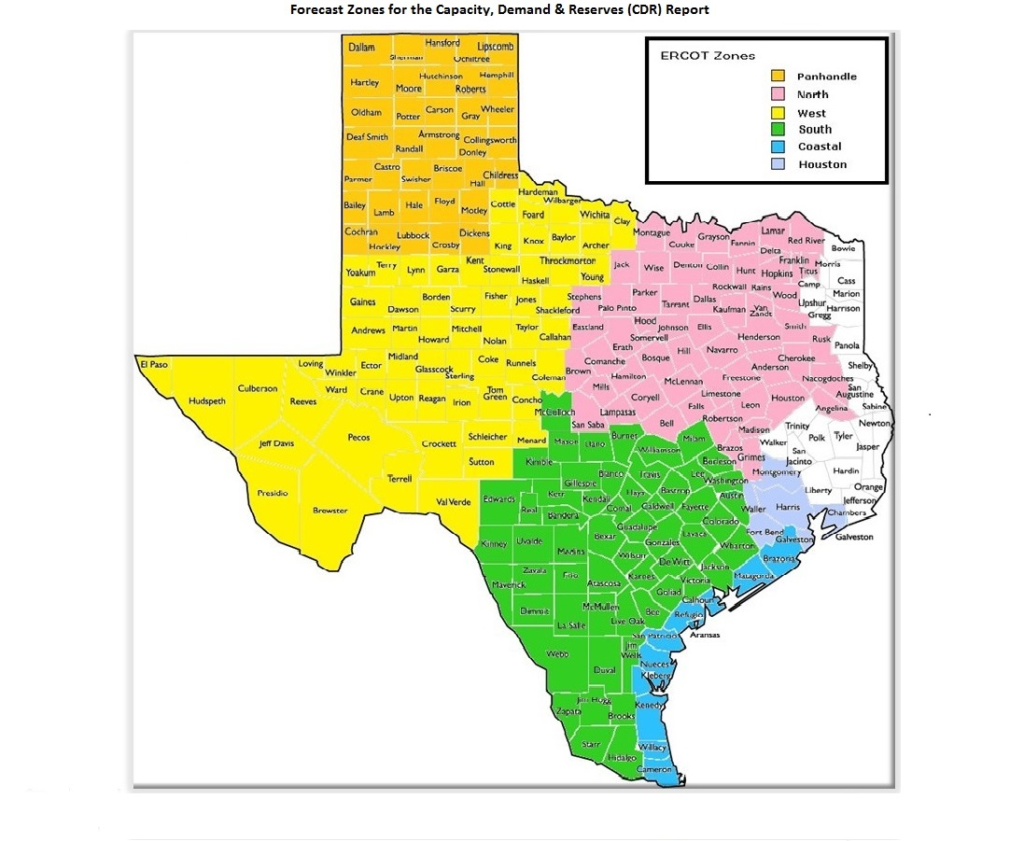
GINR Trends

Reflects all projects for which a Security Screening Study has been requested.
Excludes projects that have a status of Inactive (status = INA).
Nameplate capacity will change across time due to additional projects, cancelations, expirations, adjustments from study results, and projects being placed into service.

Monthly Capacity by GINR Milestone plus Project Count, 13-Month Rolling Basis
 | # Signed Interconnect Agreement | # Completed Full Study | # in Full Study | # Screening Study Complete | # Initial Screening study | GW Capacity
Jul-19 | 143 | 25 | 295 | 87 | 36 | 111.97053
Aug-19 | 132 | 27 | 303 | 91 | 30 | 112.61539
Sep-19 | 130 | 26 | 298 | 91 | 30 | 111.06783
Oct-19 | 135 | 29 | 294 | 88 | 36 | 109.90887
Nov-19 | 133 | 29 | 300 | 89 | 38 | 110.39216
Dec-19 | 129 | 21 | 325 | 78 | 31 | 112.14983
Jan-20 | 132 | 23 | 333 | 78 | 47 | 119.35472
Feb-20 | 137 | 27 | 334 | 87 | 48 | 124.06242
Mar-20 | 144 | 21 | 320 | 101 | 35 | 121.61965
Apr-20 | 157 | 26 | 304 | 117 | 15 | 120.87084
May-20 | 159 | 27 | 300 | 89 | 20 | 116.52786
Jun-20 | 155 | 38 | 295 | 84 | 30 | 119.22852
Jul-20 | 158 | 48 | 298 | 84 | 27 | 121.43227
 | Year | Month | Total Projects | Project Count |  |  |  |  |  | Project Capacity (MW)
 |  |  |  | GINR milestones |  |  |  |  |  | Fuel Type
 |  |  |  | Initial Screening Study | Screening Study Complete | In Full Study | Completed Full Study | Signed Interconnection Agreement | Cancelled | Wind | Solar | Gas | Nuclear | Coal | Biomass | Battery | Other
 | 2017 | Jul | 323 | 38 | 44 | 155 | 3 | 83 | 7 | 30,279 | 21,974 | 15,656 | 0 | 0 | 0 | 30 | 0
 | 2017 | Aug | 333 | 32 | 61 | 155 | 5 | 80 | 11 | 30,068 | 23,814 | 14,357 | 0 | 0 | 0 | 0 | 0
 | 2017 | Sep | 336 | 35 | 60 | 157 | 5 | 79 | 18 | 29,915 | 24,089 | 12,001 | 0 | 0 | 0 | 0 | 0
 | 2017 | Oct | 339 | 25 | 66 | 163 | 9 | 76 | 6 | 30,090 | 24,729 | 14,201 | 0 | 0 | 0 | 0 | 0
 | 2017 | Nov | 340 | 14 | 64 | 172 | 15 | 75 | 17 | 29,882 | 24,893 | 13,747 | 0 | 0 | 0 | 0 | 0
 | 2017 | Dec | 337 | 7 | 57 | 166 | 19 | 73 | 8 | 30,198 | 24,123 | 13,969 | 0 | 0 | 0 | 30 | 0
 | 2018 | Jan | 335 | 15 | 56 | 169 | 21 | 74 | 17 | 31,420 | 22,739 | 12,768 | 0 | 0 | 0 | 0 | 0
 | 2018 | Feb | 334 | 11 | 46 | 177 | 27 | 73 | 9 | 32,258 | 22,413 | 12,727 | 0 | 0 | 0 | 0 | 0
 | 2018 | Mar | 340 | 14 | 41 | 179 | 27 | 79 | 8 | 32,897 | 23,515 | 12,065 | 0 | 0 | 0 | 0 | 0
 | 2018 | Apr | 349 | 18 | 48 | 172 | 30 | 81 | 4 | 33,427 | 24,709 | 13,484 | 0 | 0 | 0 | 0 | 0
 | 2018 | May | 369 | 33 | 36 | 180 | 34 | 86 | 13 | 33,799 | 27,766 | 13,442 | 0 | 0 | 0 | 200 | 0
 | 2018 | Jun | 379 | 32 | 42 | 190 | 27 | 88 | 6 | 34,376 | 28,448 | 13,674 | 0 | 0 | 0 | 522 | 0
 | 2018 | Jul | 404 | 34 | 60 | 197 | 25 | 88 | 6 | 37,708 | 30,518 | 11,668 | 0 | 0 | 0 | 522 | 0
 | 2018 | Aug | 417 | 26 | 57 | 220 | 26 | 88 | 11 | 40,851 | 29,649 | 10,814 | 0 | 0 | 0 | 2,177 | 0
 | 2018 | Sep | 426 | 30 | 67 | 212 | 26 | 91 | 15 | 40,327 | 31,655 | 8,590 | 0 | 0 | 0 | 1,889 | 0
 | 2018 | Oct | 429 | 26 | 60 | 221 | 24 | 98 | 4 | 40,238 | 32,249 | 9,074 | 0 | 0 | 0 | 1,889 | 0
 | 2018 | Nov | 443 | 23 | 59 | 235 | 26 | 100 | 7 | 40,283 | 36,682 | 7,503 | 0 | 0 | 0 | 2,048 | 0
 | 2018 | Dec | 465 | 31 | 67 | 237 | 27 | 103 | 9 | 39,596 | 40,732 | 9,249 | 0 | 0 | 0 | 2,343 | 0
 | 2019 | Jan | 489 | 43 | 69 | 244 | 26 | 107 | 20 | 39,222 | 43,504 | 10,825 | 0 | 45 | 0 | 3,147 | 0
 | 2019 | Feb | 493 | 38 | 70 | 246 | 24 | 115 | 12 | 37,420 | 47,141 | 10,529 | 0 | 45 | 0 | 3,012 | 300
 | 2019 | Mar | 505 | 42 | 68 | 247 | 33 | 115 | 18 | 35,555 | 51,000 | 10,537 | 0 | 45 | 0 | 3,265 | 442
 | 2019 | Apr | 527 | 38 | 79 | 260 | 30 | 120 | 9 | 35,644 | 54,655 | 10,103 | 0 | 45 | 0 | 3,501 | 300
Monthly Capacity by Fuel Type plus Project Count, 13-Month Rolling Basis
 | Natural Gas | Nuclear | Coal | Wind | Solar | Biomass | Battery | Other | Cancelled Project Count | Total Project Count
Jul-19 | 9.2826 | 0.013 | 0 | 36.04846 | 62.35608 | 0 | 3.97039 | 0.3 | 11 | 586
Aug-19 | 8.2068 | 0.013 | 0 | 35.27572 | 64.57948 | 0 | 4.19979 | 0.3406 | 12 | 583
Sep-19 | 7.4052 | 0.013 | 0 | 34.55351 | 64.34373 | 0 | 4.45239 | 0.3 | 15 | 575
Oct-19 | 7.4455 | 0.013 | 0 | 31.68323 | 64.78975 | 0 | 5.62739 | 0.35 | 16 | 582
Nov-19 | 5.898 | 0.013 | 0 | 32.25273 | 64.66404 | 0 | 7.21439 | 0.35 | 11 | 589
Dec-19 | 5.607 | 0.013 | 0 | 30.17396 | 67.80794 | 0 | 7.79029 | 0.35 | 19 | 584
Jan-20 | 5.607 | 0.013 | 0 | 30.57334 | 73.6368 | 0 | 8.96562 | 0.55896 | 3 | 613
Feb-20 | 5.507 | 0.013 | 0 | 30.51472 | 77.69912 | 0 | 9.97858 | 0.35 | 1 | 633
Mar-20 | 5.749 | 0.013 | 0.493 | 28.8884 | 76.23817 | 0 | 10.38108 | 0.35 | 21 | 621
Apr-20 | 5.0838 | 0.013 | 0.493 | 27.77979 | 76.25221 | 0 | 10.89904 | 0.35 | 6 | 619
May-20 | 5.0838 | 0.013 | 0.42 | 25.95839 | 72.19113 | 0 | 12.38059 | 0.48095 | 40 | 595
Jun-20 | 5.4168 | 0.013 | 0.42 | 26.27199 | 73.65509 | 0 | 13.04164 | 0.41 | 20 | 602
Jul-20 | 5.37388 | 0.013 | 0.42 | 25.47763 | 75.32206 | 0 | 14.4757 | 0.35 | 9 | 615
 | 2019 | May | 563 | 60 | 68 | 279 | 26 | 130 | 11 | 35,689 | 58,579 | 9,737 | 0 | 45 | 0 | 4,120 | 300
 | 2019 | Jun | 568 | 53 | 68 | 285 | 27 | 135 | 19 | 35,739 | 59,161 | 9,740 | 0 | 0 | 0 | 3,957 | 300
 | 2019 | Jul | 586 | 36 | 87 | 295 | 25 | 143 | 11 | 36,048 | 62,356 | 9,283 | 13 | 0 | 0 | 3,970 | 300
 | 2019 | Aug | 583 | 30 | 91 | 303 | 27 | 132 | 12 | 35,276 | 64,579 | 8,207 | 13 | 0 | 0 | 4,200 | 341
 | 2019 | Sep | 575 | 30 | 91 | 298 | 26 | 130 | 15 | 34,554 | 64,344 | 7,405 | 13 | 0 | 0 | 4,452 | 300
 | 2019 | Oct | 582 | 36 | 88 | 294 | 29 | 135 | 16 | 31,683 | 64,790 | 7,446 | 13 | 0 | 0 | 5,627 | 350
 | 2019 | Nov | 589 | 38 | 89 | 300 | 29 | 133 | 11 | 32,253 | 64,664 | 5,898 | 13 | 0 | 0 | 7,214 | 350
 | 2019 | Dec | 584 | 31 | 78 | 325 | 21 | 129 | 19 | 30,174 | 67,808 | 5,607 | 13 | 0 | 0 | 7,790 | 350
 | 2020 | Jan | 613 | 47 | 78 | 333 | 23 | 132 | 3 | 30,573 | 73,637 | 5,607 | 13 | 0 | 0 | 8,966 | 559
 | 2020 | Feb | 633 | 48 | 87 | 334 | 27 | 137 | 1 | 30,515 | 77,699 | 5,507 | 13 | 0 | 0 | 9,979 | 350
 | 2020 | Mar | 621 | 35 | 101 | 320 | 21 | 144 | 21 | 28,888 | 76,238 | 5,749 | 13 | 493 | 0 | 10,381 | 350
 | 2020 | Apr | 619 | 15 | 117 | 304 | 26 | 157 | 6 | 27,780 | 76,252 | 5,084 | 13 | 493 | 0 | 10,899 | 350
 | 2020 | May | 595 | 20 | 89 | 300 | 27 | 159 | 40 | 25,958 | 72,191 | 5,084 | 13 | 420 | 0 | 12,381 | 481
 | 2020 | Jun | 602 | 30 | 84 | 295 | 38 | 155 | 20 | 26,272 | 73,655 | 5,417 | 13 | 420 | 0 | 13,042 | 410
 | 2020 | Jul | 615 | 27 | 84 | 298 | 48 | 158 | 9 | 25,478 | 75,322 | 5,374 | 13 | 420 | 0 | 14,476 | 350

Capacity for Planned Projects by Projected In-service Year and CDR Forecast Zone
 | Gas | Wind | Solar | Battery | Other
2020 | 0.288 | 1.5041 | 0.12 |  | 0.013
2021 |  | 1.06174 | 2.21705 | 1.14587
2022 | 0.4978 | 0.6275 | 2.63951 | 0.35185
2023 |  |  | 1.32784
2018 | 0.012
2020 | 0.30968
2021 | 1.45596 |  | 1.19
2022 | 0.41224 | 0.4 | 0.49455
2023 | 0.697 |  | 0.458
2025 |  |  |  |  | 0.05
2026 |  |  |  |  | 0.05
2019 |  | 0
2020 | 0.083 | 3.73502 | 1.67866 | 0.04026
2021 |  | 6.27913 | 6.83321 | 1.55949
2022 |  | 1.8827 | 12.66335 | 3.00654
2023 | 0.45 | 0.7553 | 2.8314
2024 |  | 0.2553
2020 | 0.065 | 0.47288 | 0.31815 |  | 0.42
2021 | 0.1903 | 1.5253 | 4.5657 | 1.42412
2022 | 0.2 | 0.85199 | 12.59808 | 1.98292
2023 |  | 0.3 | 3.422
2024 | 0.3244 |  |  | 0.1001
2025 |  |  |  |  | 0.1
2026 |  |  |  |  | 0.15
2020 |  |  | 0.2408
2021 | 0.0815 | 0.3207 | 1.46181 | 0.4
2022 |  | 0.305 | 0.92279 | 0.40481
2023 |  |  | 1.08895
2024 |  | 0.289 | 0.345
2020 | 0.045 | 0.83451 | 0.02 | 0.02
2021 | 0.262 | 3.02166 | 7.14348 | 2.12423
2022 |  | 1.0558 | 6.76958 | 1.61251
2023 |  |  | 3.8709 | 0.303
2024 |  |  | 0.10125

Note: Other contains all Fuel and Technology Types not in the Solar, Wind, Gas or Battery categories.

