Contents


GINR Activity: Apr 01, 2020 to Apr 30, 2020

Table of Contents

Disclaimer and References | Disclaimer on the use of this report, and references to associated ERCOT Binding Documents ***Please read***
Acronyms | A list of the various acronyms used throughout the report
Summary | Tables that provide project aggregate counts and megawatt capacities by GINR phase and fuel type
Project Details | A table that lists project details; only includes projects for which a Full Interconnection Study has been requested
GINR Trends | Charts and tables that show historical and projected interconnection study trends
Commissioning Update | A table listing project commissioning approval milestones met for the month: energization, synchronization, and commercial operations approval
Inactive Projects | A table listing Inactive projects
Cancellation Update | A table listing the projects cancelled for the month

Time of Report Run: May 1, 2020 9:07:00 AM

GINR Trends
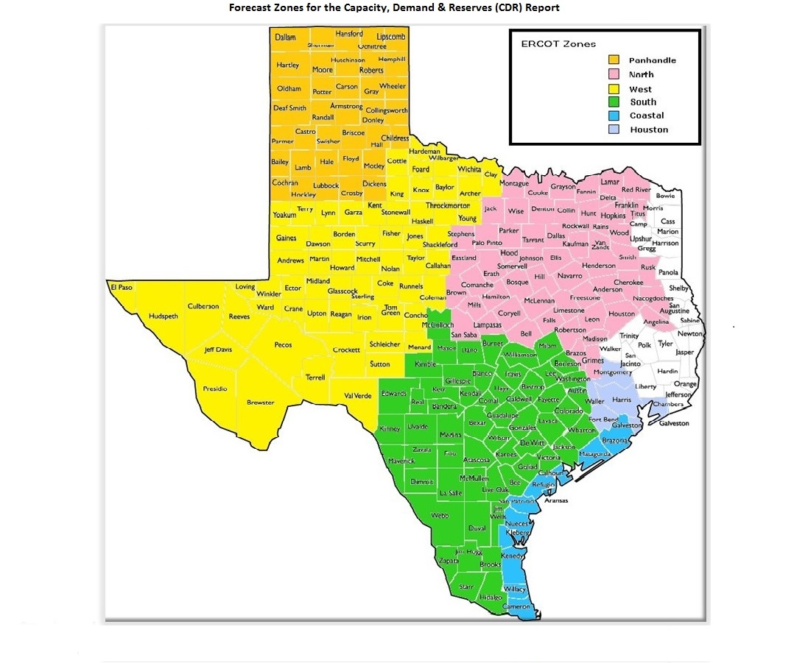
GINR Trends

Reflects all projects for which a Security Screening Study has been requested.
Excludes projects that have a status of Inactive (status = INA).
Nameplate capacity will change across time due to additional projects, cancelations, expirations, adjustments from study results, and projects being placed into service.

Monthly Capacity by GINR Milestone plus Project Count, 13-Month Rolling Basis
 | # Signed Interconnect Agreement | # Completed Full Study | # in Full Study | # Screening Study Complete | # Initial Screening study | GW Capacity
Apr-19 | 120 | 30 | 260 | 79 | 38 | 103.96957
May-19 | 130 | 26 | 279 | 68 | 60 | 108.47084
Jun-19 | 135 | 27 | 285 | 68 | 53 | 108.89626
Jul-19 | 143 | 25 | 295 | 87 | 36 | 111.97053
Aug-19 | 132 | 27 | 303 | 91 | 30 | 112.61539
Sep-19 | 130 | 26 | 298 | 91 | 30 | 111.06783
Oct-19 | 135 | 29 | 294 | 88 | 36 | 109.90887
Nov-19 | 133 | 29 | 300 | 89 | 38 | 110.39216
Dec-19 | 129 | 21 | 325 | 78 | 31 | 112.14983
Jan-20 | 132 | 23 | 333 | 78 | 47 | 119.35472
Feb-20 | 137 | 27 | 334 | 87 | 48 | 124.06242
Mar-20 | 144 | 21 | 320 | 101 | 35 | 121.61965
Apr-20 | 157 | 26 | 304 | 117 | 15 | 120.87084
 | Year | Month | Total Projects | Project Count |  |  |  |  |  | Project Capacity (MW)
 |  |  |  | GINR milestones |  |  |  |  |  | Fuel Type
 |  |  |  | Initial Screening Study | Screening Study Complete | In Full Study | Completed Full Study | Signed Interconnection Agreement | Cancelled | Wind | Solar | Gas | Nuclear | Coal | Biomass | Battery | Other
 | 2017 | Apr | 284 | 28 | 28 | 136 | 3 | 89 | 5 | 28,470 | 17,054 | 19,316 | 0 | 240 | 0 | 0 | 0
 | 2017 | May | 287 | 23 | 35 | 139 | 3 | 87 | 4 | 28,259 | 18,012 | 17,620 | 0 | 240 | 0 | 0 | 0
 | 2017 | Jun | 320 | 33 | 45 | 154 | 3 | 85 | 4 | 31,835 | 22,275 | 15,656 | 0 | 240 | 0 | 30 | 0
 | 2017 | Jul | 323 | 38 | 44 | 155 | 3 | 83 | 7 | 30,279 | 21,974 | 15,656 | 0 | 0 | 0 | 30 | 0
 | 2017 | Aug | 333 | 32 | 61 | 155 | 5 | 80 | 11 | 30,068 | 23,814 | 14,357 | 0 | 0 | 0 | 0 | 0
 | 2017 | Sep | 336 | 35 | 60 | 157 | 5 | 79 | 18 | 29,915 | 24,089 | 12,001 | 0 | 0 | 0 | 0 | 0
 | 2017 | Oct | 339 | 25 | 66 | 163 | 9 | 76 | 6 | 30,090 | 24,729 | 14,201 | 0 | 0 | 0 | 0 | 0
 | 2017 | Nov | 340 | 14 | 64 | 172 | 15 | 75 | 17 | 29,882 | 24,893 | 13,747 | 0 | 0 | 0 | 0 | 0
 | 2017 | Dec | 337 | 7 | 57 | 166 | 19 | 73 | 8 | 30,198 | 24,123 | 13,969 | 0 | 0 | 0 | 30 | 0
 | 2018 | Jan | 335 | 15 | 56 | 169 | 21 | 74 | 17 | 31,420 | 22,739 | 12,768 | 0 | 0 | 0 | 0 | 0
 | 2018 | Feb | 334 | 11 | 46 | 177 | 27 | 73 | 9 | 32,258 | 22,413 | 12,727 | 0 | 0 | 0 | 0 | 0
 | 2018 | Mar | 340 | 14 | 41 | 179 | 27 | 79 | 8 | 32,897 | 23,515 | 12,065 | 0 | 0 | 0 | 0 | 0
 | 2018 | Apr | 349 | 18 | 48 | 172 | 30 | 81 | 4 | 33,427 | 24,709 | 13,484 | 0 | 0 | 0 | 0 | 0
 | 2018 | May | 369 | 33 | 36 | 180 | 34 | 86 | 13 | 33,799 | 27,766 | 13,442 | 0 | 0 | 0 | 200 | 0
 | 2018 | Jun | 379 | 32 | 42 | 190 | 27 | 88 | 6 | 34,376 | 28,448 | 13,674 | 0 | 0 | 0 | 522 | 0
 | 2018 | Jul | 404 | 34 | 60 | 197 | 25 | 88 | 6 | 37,708 | 30,518 | 11,668 | 0 | 0 | 0 | 522 | 0
 | 2018 | Aug | 417 | 26 | 57 | 220 | 26 | 88 | 11 | 40,851 | 29,649 | 10,814 | 0 | 0 | 0 | 2,177 | 0
 | 2018 | Sep | 426 | 30 | 67 | 212 | 26 | 91 | 15 | 40,327 | 31,655 | 8,590 | 0 | 0 | 0 | 1,889 | 0
 | 2018 | Oct | 429 | 26 | 60 | 221 | 24 | 98 | 4 | 40,238 | 32,249 | 9,074 | 0 | 0 | 0 | 1,889 | 0
 | 2018 | Nov | 443 | 23 | 59 | 235 | 26 | 100 | 7 | 40,283 | 36,682 | 7,503 | 0 | 0 | 0 | 2,048 | 0
 | 2018 | Dec | 465 | 31 | 67 | 237 | 27 | 103 | 9 | 39,596 | 40,732 | 9,249 | 0 | 0 | 0 | 2,343 | 0
 | 2019 | Jan | 489 | 43 | 69 | 244 | 26 | 107 | 20 | 39,222 | 43,504 | 10,825 | 0 | 45 | 0 | 3,147 | 0
Monthly Capacity by Fuel Type plus Project Count, 13-Month Rolling Basis
 | Natural Gas | Nuclear | Coal | Wind | Solar | Biomass | Battery | Other | Total Project Count | Cancelled Project Count
Apr-19 | 10.1026 | 0 | 0.045 | 35.64428 | 54.65545 | 0 | 3.50124 | 0.3 | 527 | 9
May-19 | 9.7366 | 0 | 0.045 | 35.68938 | 58.57947 | 0 | 4.12039 | 0.3 | 563 | 11
Jun-19 | 9.7396 | 0 | 0 | 35.73918 | 59.16069 | 0 | 3.95679 | 0.3 | 568 | 19
Jul-19 | 9.2826 | 0.013 | 0 | 36.04846 | 62.35608 | 0 | 3.97039 | 0.3 | 586 | 11
Aug-19 | 8.2068 | 0.013 | 0 | 35.27572 | 64.57948 | 0 | 4.19979 | 0.3406 | 583 | 12
Sep-19 | 7.4052 | 0.013 | 0 | 34.55351 | 64.34373 | 0 | 4.45239 | 0.3 | 575 | 15
Oct-19 | 7.4455 | 0.013 | 0 | 31.68323 | 64.78975 | 0 | 5.62739 | 0.35 | 582 | 16
Nov-19 | 5.898 | 0.013 | 0 | 32.25273 | 64.66404 | 0 | 7.21439 | 0.35 | 589 | 11
Dec-19 | 5.607 | 0.013 | 0 | 30.17396 | 67.80794 | 0 | 7.79029 | 0.35 | 584 | 19
Jan-20 | 5.607 | 0.013 | 0 | 30.57334 | 73.6368 | 0 | 8.96562 | 0.55896 | 613 | 3
Feb-20 | 5.507 | 0.013 | 0 | 30.51472 | 77.69912 | 0 | 9.97858 | 0.35 | 633 | 1
Mar-20 | 5.749 | 0.013 | 0.493 | 28.8884 | 76.23817 | 0 | 10.38108 | 0.35 | 621 | 21
Apr-20 | 5.0838 | 0.013 | 0.493 | 27.77979 | 76.25221 | 0 | 10.89904 | 0.35 | 619 | 6
 | 2019 | Feb | 493 | 38 | 70 | 246 | 24 | 115 | 12 | 37,420 | 47,141 | 10,529 | 0 | 45 | 0 | 3,012 | 300
 | 2019 | Mar | 505 | 42 | 68 | 247 | 33 | 115 | 18 | 35,555 | 51,000 | 10,537 | 0 | 45 | 0 | 3,265 | 442
 | 2019 | Apr | 527 | 38 | 79 | 260 | 30 | 120 | 9 | 35,644 | 54,655 | 10,103 | 0 | 45 | 0 | 3,501 | 300
 | 2019 | May | 563 | 60 | 68 | 279 | 26 | 130 | 11 | 35,689 | 58,579 | 9,737 | 0 | 45 | 0 | 4,120 | 300
 | 2019 | Jun | 568 | 53 | 68 | 285 | 27 | 135 | 19 | 35,739 | 59,161 | 9,740 | 0 | 0 | 0 | 3,957 | 300
 | 2019 | Jul | 586 | 36 | 87 | 295 | 25 | 143 | 11 | 36,048 | 62,356 | 9,283 | 13 | 0 | 0 | 3,970 | 300
 | 2019 | Aug | 583 | 30 | 91 | 303 | 27 | 132 | 12 | 35,276 | 64,579 | 8,207 | 13 | 0 | 0 | 4,200 | 341
 | 2019 | Sep | 575 | 30 | 91 | 298 | 26 | 130 | 15 | 34,554 | 64,344 | 7,405 | 13 | 0 | 0 | 4,452 | 300
 | 2019 | Oct | 582 | 36 | 88 | 294 | 29 | 135 | 16 | 31,683 | 64,790 | 7,446 | 13 | 0 | 0 | 5,627 | 350
 | 2019 | Nov | 589 | 38 | 89 | 300 | 29 | 133 | 11 | 32,253 | 64,664 | 5,898 | 13 | 0 | 0 | 7,214 | 350
 | 2019 | Dec | 584 | 31 | 78 | 325 | 21 | 129 | 19 | 30,174 | 67,808 | 5,607 | 13 | 0 | 0 | 7,790 | 350
 | 2020 | Jan | 613 | 47 | 78 | 333 | 23 | 132 | 3 | 30,573 | 73,637 | 5,607 | 13 | 0 | 0 | 8,966 | 559
 | 2020 | Feb | 633 | 48 | 87 | 334 | 27 | 137 | 1 | 30,515 | 77,699 | 5,507 | 13 | 0 | 0 | 9,979 | 350
 | 2020 | Mar | 621 | 35 | 101 | 320 | 21 | 144 | 21 | 28,888 | 76,238 | 5,749 | 13 | 493 | 0 | 10,381 | 350
 | 2020 | Apr | 619 | 15 | 117 | 304 | 26 | 157 | 6 | 27,780 | 76,252 | 5,084 | 13 | 493 | 0 | 10,899 | 350

Capacity for Planned Projects by Projected In-service Year and CDR Forecast Zone
 | Gas | Wind | Solar | Battery | Other
2020 | 0.336 | 1.6553 | 0.12 |  | 0.013
2021 | 0.117 | 1.21124 | 3.51011 | 1.09504
2022 |  | 0.6275 | 2.1258 | 0.2
2023 |  |  | 0.55
2018 | 0.012
2020 | 0.374
2021 | 1.4776 |  | 1.84655
2022 |  | 0.4 | 0.448
2023 | 0.697
2025 |  |  |  |  | 0.05
2026 |  |  |  |  | 0.05
2019 |  | 0
2020 | 0.083 | 4.85542 | 3.38114 | 0.15294
2021 |  | 7.19059 | 11.18302 | 2.00425
2022 |  | 1.862 | 11.30412 | 1.073
2023 | 0.45 |  | 2.21842 | 0.325
2020 | 0.065 | 0.47288 | 0.43825 | 0.063 | 0.493
2021 | 0.5403 | 2.4492 | 8.18019 | 1.31204
2022 |  | 0.55099 | 8.24562 | 1.72542
2023 | 0.3244 |  | 1.8839
2024 | 0.3244 |  | 0.40058 | 0.1001
2025 |  |  |  |  | 0.1
2026 |  |  |  |  | 0.15
2020 |  | 0.2809 | 0.2408
2021 | 0.0815 | 0.8236 | 1.46181 | 0.1
2022 |  | 0.2772 | 1.63679 | 0.70481
2023 |  |  | 0.68321
2024 |  | 0.289 | 0.345
2020 | 0.064 | 0.83451 | 0.6218 | 0.0882
2021 | 0.462 | 2.71146 | 11.21386 | 2.34454 | 0.06237
2022 |  | 1.313 | 4.22134 | 0.3107
2023 |  |  | 2.71065 | 0.2
2024 |  |  | 0.10125

Note: Other contains all Fuel and Technology Types not in the Solar, Wind, Gas or Battery categories.

