Contents


GINR Activity: Dec 01, 2018 to Dec 31, 2018

Table of Contents

Disclaimer and References | Disclaimer on the use of this report, and references to associated ERCOT Binding Documents ***Please read***
Acronyms | A list of the various acronyms used throughout the report
Summary | Tables that provide project aggregate counts and megawatt capacities by GINR phase and fuel type
Project Commissioning Update | A table listing project commissioning approval milestones met for the month: energization, synchronization, and commercial operations approval
Project Cancellation Update | A table listing the projects cancelled for the month
Project Details | A table that lists project details; only includes projects for which a Full Interconnection Study has been requested
GINR Trends | Charts and tables that show historical and projected interconnection study trends.

Time of Report Run: Jan 1, 2019 9:16:00 AM

GINR Trends
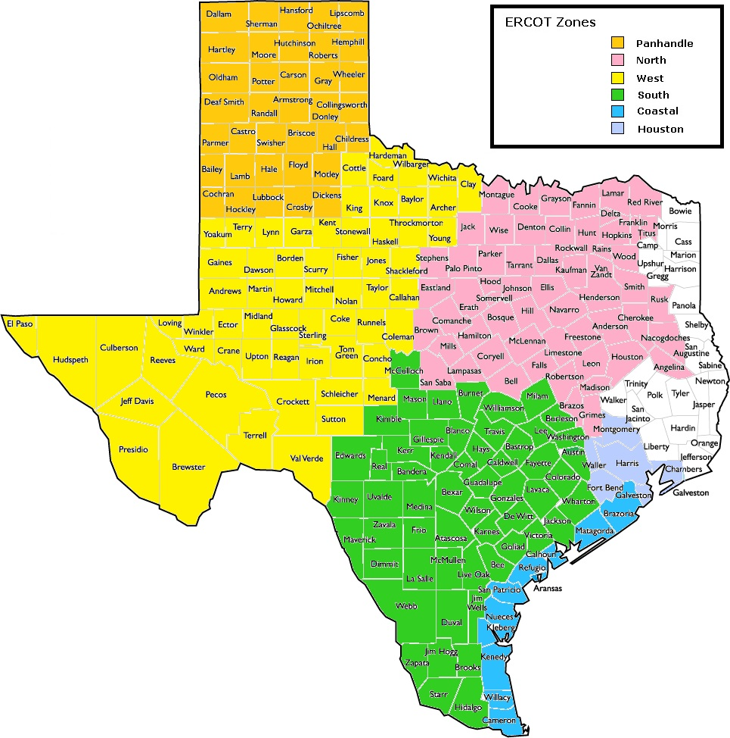
GINR Trends

Reflects all projects for which a Security Screening Study has been requested.
Nameplate capacity will change across time due to additional projects, cancelations, expirations, adjustments from study results, and projects being placed into service.

Monthly Capacity by GINR Milestone plus Project Count, 13-Month Rolling Basis
 | # Initial Screening study | # Screening Study Complete | # in Full Study | # Completed Full Study | # Signed Interconnect Agreement | MW Capacity
Dec-17 | 7 | 57 | 166 | 19 | 73 | 68320
Jan-18 | 15 | 56 | 169 | 21 | 74 | 66927
Feb-18 | 11 | 46 | 177 | 27 | 73 | 67398
Mar-18 | 14 | 41 | 179 | 27 | 79 | 68477
Apr-18 | 18 | 48 | 172 | 30 | 81 | 71620
May-18 | 33 | 36 | 180 | 34 | 86 | 75207
Jun-18 | 32 | 42 | 190 | 27 | 88 | 77020
Jul-18 | 34 | 60 | 197 | 25 | 88 | 80416
Aug-18 | 26 | 57 | 220 | 26 | 88 | 83491
Sep-18 | 30 | 67 | 212 | 26 | 91 | 82461.35
Oct-18 | 26 | 60 | 221 | 24 | 98 | 83449.1
Nov-18 | 23 | 59 | 235 | 26 | 100 | 86517.24
Dec-18 | 31 | 67 | 237 | 27 | 103 | 91921.16
 | Year | Month | Total Active Projects | Project Count |  |  |  |  |  | Project Capacity (MW)
 |  |  |  | GINR milestones |  |  |  |  |  | Fuel Type
 |  |  |  | Initial Screening Study | Screening Study Complete | In Full Study | Completed Full Study | Signed Interconnection Agreement | Cancelled | Wind | Solar | Gas | Nuclear | Coal | Biomass | Other
 | 2015 | Dec | 255 | 3 | 21 | 131 | 10 | 90 | 15 | 24,095 | 8,509 | 27,686 | 0 | 240 | 0 | 614
 | 2016 | Jan | 241 | 4 | 13 | 124 | 10 | 90 | 14 | 24,472 | 7,713 | 24,383 | 0 | 240 | 0 | 614
 | 2016 | Feb | 236 | 3 | 12 | 118 | 14 | 89 | 8 | 23,508 | 7,757 | 23,058 | 0 | 240 | 0 | 644
 | 2016 | Mar | 236 | 3 | 16 | 112 | 12 | 93 | 5 | 24,197 | 7,482 | 23,158 | 0 | 240 | 0 | 644
 | 2016 | Apr | 241 | 8 | 12 | 111 | 11 | 99 | 5 | 24,951 | 7,762 | 22,982 | 0 | 240 | 0 | 644
 | 2016 | May | 236 | 4 | 16 | 108 | 8 | 100 | 9 | 25,304 | 7,414 | 23,149 | 0 | 240 | 0 | 644
 | 2016 | Jun | 232 | 12 | 14 | 104 | 8 | 94 | 8 | 25,215 | 8,321 | 22,471 | 0 | 240 | 0 | 644
 | 2016 | Jul | 231 | 13 | 16 | 98 | 7 | 96 | 7 | 25,215 | 8,321 | 22,304 | 0 | 240 | 0 | 644
 | 2016 | Aug | 235 | 17 | 24 | 88 | 6 | 100 | 5 | 25,895 | 9,538 | 21,077 | 0 | 240 | 0 | 694
 | 2016 | Sep | 226 | 10 | 22 | 90 | 6 | 98 | 7 | 25,254 | 9,391 | 19,671 | 0 | 240 | 0 | 694
 | 2016 | Oct | 250 | 16 | 27 | 93 | 6 | 99 | 2 | 26,643 | 12,439 | 19,771 | 0 | 240 | 0 | 674
 | 2016 | Nov | 247 | 18 | 31 | 98 | 3 | 98 | 3 | 26,643 | 12,439 | 19,771 | 0 | 240 | 0 | 674
 | 2016 | Dec | 254 | 23 | 33 | 103 | 2 | 96 | 4 | 26,732 | 13,724 | 18,816 | 0 | 240 | 0 | 624
 | 2017 | Jan | 257 | 16 | 36 | 105 | 4 | 96 | 2 | 26,270 | 14,498 | 18,816 | 0 | 240 | 0 | 624
 | 2017 | Feb | 263 | 8 | 33 | 127 | 2 | 93 | 5 | 26,512 | 14,958 | 19,016 | 0 | 240 | 0 | 30
 | 2017 | Mar | 264 | 11 | 27 | 131 | 3 | 92 | 3 | 26,593 | 15,338 | 16,750 | 0 | 240 | 0 | 0
 | 2017 | Apr | 284 | 28 | 28 | 136 | 3 | 89 | 5 | 28,470 | 17,054 | 19,316 | 0 | 240 | 0 | 0
 | 2017 | May | 287 | 23 | 35 | 139 | 3 | 87 | 4 | 28,259 | 18,012 | 17,620 | 0 | 240 | 0 | 0
 | 2017 | Jun | 320 | 33 | 45 | 154 | 3 | 85 | 4 | 31,835 | 22,275 | 15,656 | 0 | 240 | 0 | 30
 | 2017 | Jul | 323 | 38 | 44 | 155 | 3 | 83 | 7 | 30,279 | 21,974 | 15,656 | 0 | 0 | 0 | 30
 | 2017 | Aug | 333 | 32 | 61 | 155 | 5 | 80 | 11 | 30,068 | 23,814 | 14,357 | 0 | 0 | 0 | 0
Monthly Capacity by Fuel Type plus Project Count, 13-Month Rolling Basis
 | MW Natural Gas | Nuclear | Coal | Wind | Solar | Biomass | Other | Total Project Count | Cancelled Project Count
Dec-17 | 13969 | 0 | 0 | 30198 | 24123 | 0 | 30 | 337 | 8
Jan-18 | 12768 | 0 | 0 | 31420 | 22739 | 0 | 0 | 335 | 17
Feb-18 | 12727 | 0 | 0 | 32258 | 22413 | 0 | 0 | 334 | 9
Mar-18 | 12065 | 0 | 0 | 32897 | 23515 | 0 | 0 | 340 | 8
Apr-18 | 13484 | 0 | 0 | 33427 | 24709 | 0 | 0 | 349 | 4
May-18 | 13442 | 0 | 0 | 33799 | 27766 | 0 | 200 | 369 | 13
Jun-18 | 13674 | 0 | 0 | 34376 | 28448 | 0 | 522 | 379 | 6
Jul-18 | 11668 | 0 | 0 | 37708 | 30518 | 0 | 522 | 404 | 6
Aug-18 | 10814 | 0 | 0 | 40851 | 29649 | 0 | 2177 | 417 | 11
Sep-18 | 8589.6 | 0 | 0 | 40327.45 | 31655.3 | 0 | 1889 | 426 | 15
Oct-18 | 9073.6 | 0 | 0 | 40237.59 | 32248.91 | 0 | 1889 | 429 | 4
Nov-18 | 7503.4 | 0 | 0 | 40283.09 | 36682.4 | 0 | 2048.35 | 443 | 7
Dec-18 | 9249.4 | 0 | 0 | 39596.45 | 40732.49 | 0 | 2342.82 | 465 | 9
 | 2017 | Sep | 336 | 35 | 60 | 157 | 5 | 79 | 18 | 29,915 | 24,089 | 12,001 | 0 | 0 | 0 | 0
 | 2017 | Oct | 339 | 25 | 66 | 163 | 9 | 76 | 6 | 30,090 | 24,729 | 14,201 | 0 | 0 | 0 | 0
 | 2017 | Nov | 340 | 14 | 64 | 172 | 15 | 75 | 17 | 29,882 | 24,893 | 13,747 | 0 | 0 | 0 | 0
 | 2017 | Dec | 337 | 7 | 57 | 166 | 19 | 73 | 8 | 30,198 | 24,123 | 13,969 | 0 | 0 | 0 | 30
 | 2018 | Jan | 335 | 15 | 56 | 169 | 21 | 74 | 17 | 31,420 | 22,739 | 12,768 | 0 | 0 | 0 | 0
 | 2018 | Feb | 334 | 11 | 46 | 177 | 27 | 73 | 9 | 32,258 | 22,413 | 12,727 | 0 | 0 | 0 | 0
 | 2018 | Mar | 340 | 14 | 41 | 179 | 27 | 79 | 8 | 32,897 | 23,515 | 12,065 | 0 | 0 | 0 | 0
 | 2018 | Apr | 349 | 18 | 48 | 172 | 30 | 81 | 4 | 33,427 | 24,709 | 13,484 | 0 | 0 | 0 | 0
 | 2018 | May | 369 | 33 | 36 | 180 | 34 | 86 | 13 | 33,799 | 27,766 | 13,442 | 0 | 0 | 0 | 200
 | 2018 | Jun | 379 | 32 | 42 | 190 | 27 | 88 | 6 | 34,376 | 28,448 | 13,674 | 0 | 0 | 0 | 522
 | 2018 | Jul | 404 | 34 | 60 | 197 | 25 | 88 | 6 | 37,708 | 30,518 | 11,668 | 0 | 0 | 0 | 522
 | 2018 | Aug | 417 | 26 | 57 | 220 | 26 | 88 | 11 | 40,851 | 29,649 | 10,814 | 0 | 0 | 0 | 2,177
 | 2018 | Sep | 426 | 30 | 67 | 212 | 26 | 91 | 15 | 40,327 | 31,655 | 8,590 | 0 | 0 | 0 | 1,889
 | 2018 | Oct | 429 | 26 | 60 | 221 | 24 | 98 | 4 | 40,238 | 32,249 | 9,074 | 0 | 0 | 0 | 1,889
 | 2018 | Nov | 443 | 23 | 59 | 235 | 26 | 100 | 7 | 40,283 | 36,682 | 7,503 | 0 | 0 | 0 | 2,048
 | 2018 | Dec | 465 | 31 | 67 | 237 | 27 | 103 | 9 | 39,596 | 40,732 | 9,249 | 0 | 0 | 0 | 2,343

Capacity for Planned Projects by Projected In-service Year and CDR Forecast Zone
 | Gas | Wind | Solar | Battery | Other
2018 |  | 162.9
2019 | 664 | 2041.7
2020 | 400 | 1769 | 1663.9 | 233.35
2021 |  |  | 1050 | 156.8
2018 | 12
2019 | 11
2020 | 1202.6 |  | 540
2021 | 552.2 |  | 300
2018 |  | 277.4
2019 |  | 6462.34 | 3107.3
2020 |  | 7534.9 | 9969.64 | 81.26
2021 | 742.9 | 2397.5 | 6743.75 | 886.6
2022 | 742.9 |  | 600
2019 | 44 | 592.8 | 373
2020 | 1134 | 2154.2 | 4419.6 | 346
2021 | 1957.5 | 700.2 | 2349.69 | 82
2022 | 328 |  | 1050
2019 |  | 2040.7 | 340.8
2020 |  | 3917.5 | 1604.6
2021 | 81.5 | 653.9 | 150
2019 | 145 | 3847.8 | 825 | 38
2020 | 350 | 4143.61 | 2610.39 | 130.2
2021 | 397.8 | 900 | 3034.82 | 388.61

Note: Other contains all Fuel and Technology Types not in the Solar, Wind, Gas or Battery categories.

Forecast Zones for the Capacity, Demand & Reserves (CDR) Report

