Contents


GINR Activity: Jun 01, 2019 to Jun 30, 2019

Table of Contents

Disclaimer and References | Disclaimer on the use of this report, and references to associated ERCOT Binding Documents ***Please read***
Acronyms | A list of the various acronyms used throughout the report
Summary | Tables that provide project aggregate counts and megawatt capacities by GINR phase and fuel type
Project Commissioning Update | A table listing project commissioning approval milestones met for the month: energization, synchronization, and commercial operations approval
Project Cancellation Update | A table listing the projects cancelled for the month
Project Details | A table that lists project details; only includes projects for which a Full Interconnection Study has been requested
GINR Trends | Charts and tables that show historical and projected interconnection study trends.

Time of Report Run: Jul 1, 2019 8:00:27 AM

GINR Trends
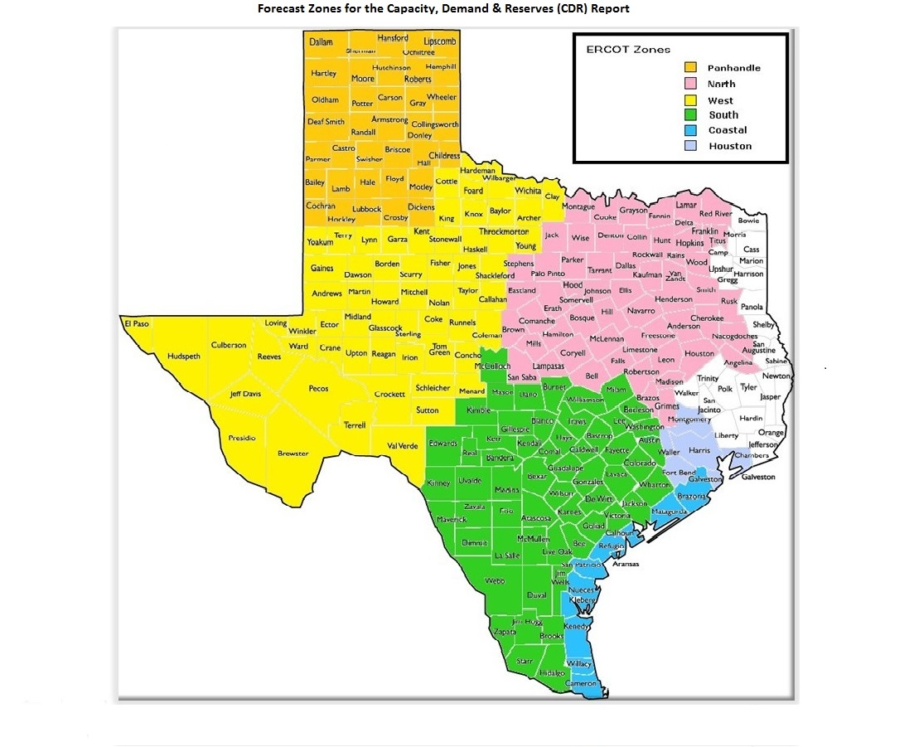
GINR Trends

Reflects all projects for which a Security Screening Study has been requested.
Nameplate capacity will change across time due to additional projects, cancelations, expirations, adjustments from study results, and projects being placed into service.

Monthly Capacity by GINR Milestone plus Project Count, 13-Month Rolling Basis
 | # Initial Screening study | # Screening Study Complete | # in Full Study | # Completed Full Study | # Signed Interconnect Agreement | MW Capacity
Jun-18 | 32 | 42 | 190 | 27 | 88 | 77020
Jul-18 | 34 | 60 | 197 | 25 | 88 | 80416
Aug-18 | 26 | 57 | 220 | 26 | 88 | 83491
Sep-18 | 30 | 67 | 212 | 26 | 91 | 82461.35
Oct-18 | 26 | 60 | 221 | 24 | 98 | 83449.1
Nov-18 | 23 | 59 | 235 | 26 | 100 | 86517.24
Dec-18 | 31 | 67 | 237 | 27 | 103 | 91921.16
Jan-19 | 43 | 69 | 244 | 26 | 107 | 96743.72
Feb-19 | 38 | 70 | 246 | 24 | 115 | 98104.77
Mar-19 | 42 | 68 | 247 | 33 | 115 | 100836.78
Apr-19 | 38 | 79 | 260 | 30 | 120 | 104248.57
May-19 | 60 | 68 | 279 | 26 | 130 | 108470.84
Jun-19 | 53 | 68 | 285 | 27 | 135 | 108896.26
 | Year | Month | Total Projects | Project Count |  |  |  |  |  | Project Capacity (MW)
 |  |  |  | GINR milestones |  |  |  |  |  | Fuel Type
 |  |  |  | Initial Screening Study | Screening Study Complete | In Full Study | Completed Full Study | Signed Interconnection Agreement | Cancelled | Wind | Solar | Gas | Nuclear | Coal | Biomass | Battery | Other
 | 2016 | Jun | 232 | 12 | 14 | 104 | 8 | 94 | 8 | 25,215 | 8,321 | 22,471 | 0 | 240 | 0 | 30 | 614
 | 2016 | Jul | 231 | 13 | 16 | 98 | 7 | 96 | 7 | 25,215 | 8,321 | 22,304 | 0 | 240 | 0 | 30 | 614
 | 2016 | Aug | 235 | 17 | 24 | 88 | 6 | 100 | 5 | 25,895 | 9,538 | 21,077 | 0 | 240 | 0 | 30 | 664
 | 2016 | Sep | 226 | 10 | 22 | 90 | 6 | 98 | 7 | 25,254 | 9,391 | 19,671 | 0 | 240 | 0 | 30 | 664
 | 2016 | Oct | 250 | 16 | 27 | 93 | 6 | 99 | 2 | 26,643 | 12,439 | 19,771 | 0 | 240 | 0 | 30 | 644
 | 2016 | Nov | 247 | 18 | 31 | 98 | 3 | 98 | 3 | 26,643 | 12,439 | 19,771 | 0 | 240 | 0 | 30 | 644
 | 2016 | Dec | 254 | 23 | 33 | 103 | 2 | 96 | 4 | 26,732 | 13,724 | 18,816 | 0 | 240 | 0 | 30 | 594
 | 2017 | Jan | 257 | 16 | 36 | 105 | 4 | 96 | 2 | 26,270 | 14,498 | 18,816 | 0 | 240 | 0 | 30 | 594
 | 2017 | Feb | 263 | 8 | 33 | 127 | 2 | 93 | 5 | 26,512 | 14,958 | 19,016 | 0 | 240 | 0 | 30 | 0
 | 2017 | Mar | 264 | 11 | 27 | 131 | 3 | 92 | 3 | 26,593 | 15,338 | 16,750 | 0 | 240 | 0 | 0 | 0
 | 2017 | Apr | 284 | 28 | 28 | 136 | 3 | 89 | 5 | 28,470 | 17,054 | 19,316 | 0 | 240 | 0 | 0 | 0
 | 2017 | May | 287 | 23 | 35 | 139 | 3 | 87 | 4 | 28,259 | 18,012 | 17,620 | 0 | 240 | 0 | 0 | 0
 | 2017 | Jun | 320 | 33 | 45 | 154 | 3 | 85 | 4 | 31,835 | 22,275 | 15,656 | 0 | 240 | 0 | 30 | 0
 | 2017 | Jul | 323 | 38 | 44 | 155 | 3 | 83 | 7 | 30,279 | 21,974 | 15,656 | 0 | 0 | 0 | 30 | 0
 | 2017 | Aug | 333 | 32 | 61 | 155 | 5 | 80 | 11 | 30,068 | 23,814 | 14,357 | 0 | 0 | 0 | 0 | 0
 | 2017 | Sep | 336 | 35 | 60 | 157 | 5 | 79 | 18 | 29,915 | 24,089 | 12,001 | 0 | 0 | 0 | 0 | 0
 | 2017 | Oct | 339 | 25 | 66 | 163 | 9 | 76 | 6 | 30,090 | 24,729 | 14,201 | 0 | 0 | 0 | 0 | 0
 | 2017 | Nov | 340 | 14 | 64 | 172 | 15 | 75 | 17 | 29,882 | 24,893 | 13,747 | 0 | 0 | 0 | 0 | 0
 | 2017 | Dec | 337 | 7 | 57 | 166 | 19 | 73 | 8 | 30,198 | 24,123 | 13,969 | 0 | 0 | 0 | 30 | 0
 | 2018 | Jan | 335 | 15 | 56 | 169 | 21 | 74 | 17 | 31,420 | 22,739 | 12,768 | 0 | 0 | 0 | 0 | 0
 | 2018 | Feb | 334 | 11 | 46 | 177 | 27 | 73 | 9 | 32,258 | 22,413 | 12,727 | 0 | 0 | 0 | 0 | 0
Monthly Capacity by Fuel Type plus Project Count, 13-Month Rolling Basis
 | MW Natural Gas | Nuclear | Coal | Wind | Solar | Biomass | Battery | Other | Cancelled Project Count | Total Project Count
Jun-18 | 13674 | 0 | 0 | 34376 | 28448 | 0 | 522 | 0 | 6 | 379
Jul-18 | 11668 | 0 | 0 | 37708 | 30518 | 0 | 522 | 0 | 6 | 404
Aug-18 | 10814 | 0 | 0 | 40851 | 29649 | 0 | 2177 | 0 | 11 | 417
Sep-18 | 8589.6 | 0 | 0 | 40327.45 | 31655.3 | 0 | 1889 | 0 | 15 | 426
Oct-18 | 9073.6 | 0 | 0 | 40237.59 | 32248.91 | 0 | 1889 | 0 | 4 | 429
Nov-18 | 7503.4 | 0 | 0 | 40283.09 | 36682.4 | 0 | 2048.35 | 0 | 7 | 443
Dec-18 | 9249.4 | 0 | 0 | 39596.45 | 40732.49 | 0 | 2342.82 | 0 | 9 | 465
Jan-19 | 10824.6 | 0 | 45 | 39222.25 | 43504.49 | 0 | 3147.38 | 0 | 20 | 489
Feb-19 | 10528.6 | 0 | 45 | 37419.7 | 47140.55 | 0 | 3011.92 | 300 | 12 | 493
Mar-19 | 10536.6 | 0 | 45 | 35555.28 | 50999.9 | 0 | 3265.2 | 441.8 | 18 | 505
Apr-19 | 10102.6 | 0 | 45 | 35644.28 | 54655.45 | 0 | 3501.24 | 300 | 9 | 527
May-19 | 9736.6 | 0 | 45 | 35689.38 | 58579.47 | 0 | 4120.39 | 300 | 11 | 563
Jun-19 | 9739.6 | 0 | 0 | 35739.18 | 59160.69 | 0 | 3956.79 | 300 | 19 | 568
 | 2018 | Mar | 340 | 14 | 41 | 179 | 27 | 79 | 8 | 32,897 | 23,515 | 12,065 | 0 | 0 | 0 | 0 | 0
 | 2018 | Apr | 349 | 18 | 48 | 172 | 30 | 81 | 4 | 33,427 | 24,709 | 13,484 | 0 | 0 | 0 | 0 | 0
 | 2018 | May | 369 | 33 | 36 | 180 | 34 | 86 | 13 | 33,799 | 27,766 | 13,442 | 0 | 0 | 0 | 200 | 0
 | 2018 | Jun | 379 | 32 | 42 | 190 | 27 | 88 | 6 | 34,376 | 28,448 | 13,674 | 0 | 0 | 0 | 522 | 0
 | 2018 | Jul | 404 | 34 | 60 | 197 | 25 | 88 | 6 | 37,708 | 30,518 | 11,668 | 0 | 0 | 0 | 522 | 0
 | 2018 | Aug | 417 | 26 | 57 | 220 | 26 | 88 | 11 | 40,851 | 29,649 | 10,814 | 0 | 0 | 0 | 2,177 | 0
 | 2018 | Sep | 426 | 30 | 67 | 212 | 26 | 91 | 15 | 40,327 | 31,655 | 8,590 | 0 | 0 | 0 | 1,889 | 0
 | 2018 | Oct | 429 | 26 | 60 | 221 | 24 | 98 | 4 | 40,238 | 32,249 | 9,074 | 0 | 0 | 0 | 1,889 | 0
 | 2018 | Nov | 443 | 23 | 59 | 235 | 26 | 100 | 7 | 40,283 | 36,682 | 7,503 | 0 | 0 | 0 | 2,048 | 0
 | 2018 | Dec | 465 | 31 | 67 | 237 | 27 | 103 | 9 | 39,596 | 40,732 | 9,249 | 0 | 0 | 0 | 2,343 | 0
 | 2019 | Jan | 489 | 43 | 69 | 244 | 26 | 107 | 20 | 39,222 | 43,504 | 10,825 | 0 | 45 | 0 | 3,147 | 0
 | 2019 | Feb | 493 | 38 | 70 | 246 | 24 | 115 | 12 | 37,420 | 47,141 | 10,529 | 0 | 45 | 0 | 3,012 | 300
 | 2019 | Mar | 505 | 42 | 68 | 247 | 33 | 115 | 18 | 35,555 | 51,000 | 10,537 | 0 | 45 | 0 | 3,265 | 442
 | 2019 | Apr | 527 | 38 | 79 | 260 | 30 | 120 | 9 | 35,644 | 54,655 | 10,103 | 0 | 45 | 0 | 3,501 | 300
 | 2019 | May | 563 | 60 | 68 | 279 | 26 | 130 | 11 | 35,689 | 58,579 | 9,737 | 0 | 45 | 0 | 4,120 | 300
 | 2019 | Jun | 568 | 53 | 68 | 285 | 27 | 135 | 19 | 35,739 | 59,161 | 9,740 | 0 | 0 | 0 | 3,957 | 300

Capacity for Planned Projects by Projected In-service Year and CDR Forecast Zone
 | Gas | Wind | Solar | Battery | Other
2019 | 547 | 1067.74
2020 | 480 | 2611.1 | 1406.9 | 35
2021 |  | 451.24 | 2519.2 | 395.12
2022 |  |  | 400
2023 |  |  | 200
2018 | 12
2020 | 1842.6 |  | 240 | 100
2021 | 462.2 |  | 1356.55
2025 |  |  |  |  | 100
2018 |  | 129
2019 |  | 3208.44 | 1083.6
2020 | 83 | 7327.8 | 7656.56 | 287.06
2021 | 742.9 | 5034.35 | 14975.32 | 696.9
2022 | 742.9 | 350 | 2105.52 | 125
2019 | 44 | 230.4
2020 | 500 | 1478.2 | 2617.3 | 310.12
2021 | 2157.5 | 1979.2 | 8267.64 | 474.14
2022 | 328 |  | 1600
2025 |  |  |  |  | 200
2019 |  | 210 | 240.8
2020 |  | 2760.3 | 730.3
2021 | 81.5 | 2349.3 | 1876.66 | 165
2022 | 280 |  | 650
2019 | 64 | 907
2020 | 319 | 2910.91 | 3181.79 | 393.2
2021 | 1053 | 2532.6 | 7902.55 | 975.25
2022 |  | 201.6 | 150

Note: Other contains all Fuel and Technology Types not in the Solar, Wind, Gas or Battery categories.

