GINR Trends
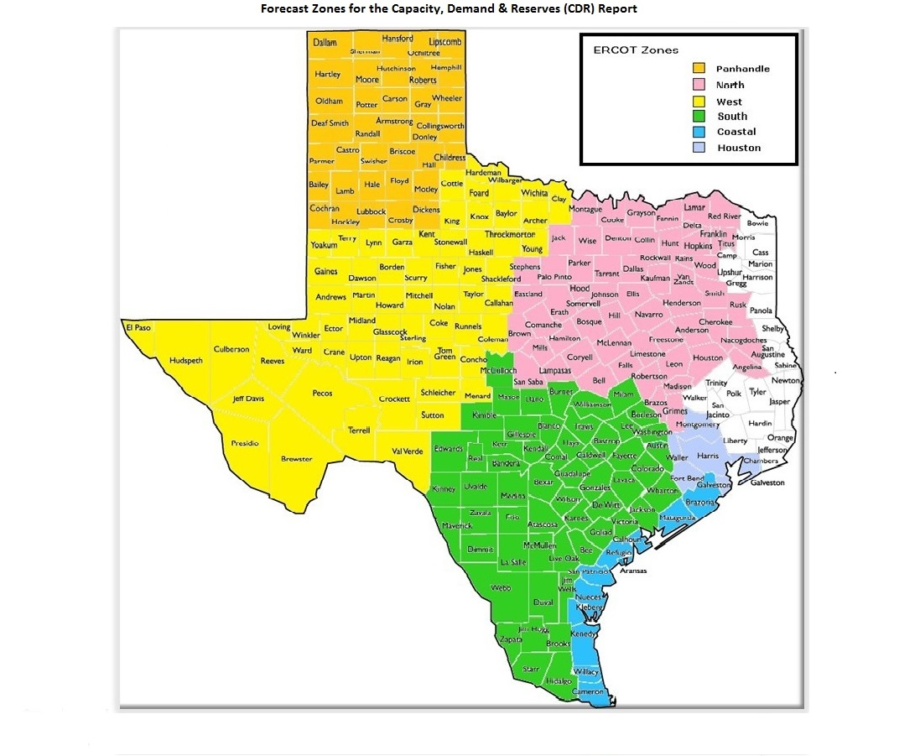
GINR Trends

Reflects all projects for which a Security Screening Study has been requested.
Excludes projects that have a status of Suspended (status = INA).
Nameplate capacity will change across time due to additional projects, cancelations, expirations, adjustments from study results, and projects being placed into service.

Monthly Capacity by GINR Milestone plus Project Count, 13-Month Rolling Basis
 | # Signed Interconnect Agreement | # Completed Full Study | # in Full Study | # Screening Study Complete | # Initial Screening study | GW Capacity
Oct-18 | 98 | 24 | 221 | 60 | 26 | 83.4491
Nov-18 | 100 | 26 | 235 | 59 | 23 | 86.51724
Dec-18 | 103 | 27 | 237 | 67 | 31 | 91.92116
Jan-19 | 107 | 26 | 244 | 69 | 43 | 96.74372
Feb-19 | 115 | 24 | 246 | 70 | 38 | 98.10477
Mar-19 | 115 | 33 | 247 | 68 | 42 | 100.83678
Apr-19 | 120 | 30 | 260 | 79 | 38 | 103.96957
May-19 | 130 | 26 | 279 | 68 | 60 | 108.47084
Jun-19 | 135 | 27 | 285 | 68 | 53 | 108.89626
Jul-19 | 143 | 25 | 295 | 87 | 36 | 111.97053
Aug-19 | 132 | 27 | 303 | 91 | 30 | 112.61539
Sep-19 | 130 | 26 | 298 | 91 | 30 | 111.06783
Oct-19 | 135 | 29 | 294 | 88 | 36 | 109.90887
 | Year | Month | Total Projects | Project Count |  |  |  |  |  | Project Capacity (MW)
 |  |  |  | GINR milestones |  |  |  |  |  | Fuel Type
 |  |  |  | Initial Screening Study | Screening Study Complete | In Full Study | Completed Full Study | Signed Interconnection Agreement | Cancelled | Wind | Solar | Gas | Nuclear | Coal | Biomass | Battery | Other
 | 2016 | Oct | 250 | 16 | 27 | 93 | 6 | 99 | 2 | 26,643 | 12,439 | 19,771 | 0 | 240 | 0 | 30 | 644
 | 2016 | Nov | 247 | 18 | 31 | 98 | 3 | 98 | 3 | 26,643 | 12,439 | 19,771 | 0 | 240 | 0 | 30 | 644
 | 2016 | Dec | 254 | 23 | 33 | 103 | 2 | 96 | 4 | 26,732 | 13,724 | 18,816 | 0 | 240 | 0 | 30 | 594
 | 2017 | Jan | 257 | 16 | 36 | 105 | 4 | 96 | 2 | 26,270 | 14,498 | 18,816 | 0 | 240 | 0 | 30 | 594
 | 2017 | Feb | 263 | 8 | 33 | 127 | 2 | 93 | 5 | 26,512 | 14,958 | 19,016 | 0 | 240 | 0 | 30 | 0
 | 2017 | Mar | 264 | 11 | 27 | 131 | 3 | 92 | 3 | 26,593 | 15,338 | 16,750 | 0 | 240 | 0 | 0 | 0
 | 2017 | Apr | 284 | 28 | 28 | 136 | 3 | 89 | 5 | 28,470 | 17,054 | 19,316 | 0 | 240 | 0 | 0 | 0
 | 2017 | May | 287 | 23 | 35 | 139 | 3 | 87 | 4 | 28,259 | 18,012 | 17,620 | 0 | 240 | 0 | 0 | 0
 | 2017 | Jun | 320 | 33 | 45 | 154 | 3 | 85 | 4 | 31,835 | 22,275 | 15,656 | 0 | 240 | 0 | 30 | 0
 | 2017 | Jul | 323 | 38 | 44 | 155 | 3 | 83 | 7 | 30,279 | 21,974 | 15,656 | 0 | 0 | 0 | 30 | 0
 | 2017 | Aug | 333 | 32 | 61 | 155 | 5 | 80 | 11 | 30,068 | 23,814 | 14,357 | 0 | 0 | 0 | 0 | 0
 | 2017 | Sep | 336 | 35 | 60 | 157 | 5 | 79 | 18 | 29,915 | 24,089 | 12,001 | 0 | 0 | 0 | 0 | 0
 | 2017 | Oct | 339 | 25 | 66 | 163 | 9 | 76 | 6 | 30,090 | 24,729 | 14,201 | 0 | 0 | 0 | 0 | 0
 | 2017 | Nov | 340 | 14 | 64 | 172 | 15 | 75 | 17 | 29,882 | 24,893 | 13,747 | 0 | 0 | 0 | 0 | 0
 | 2017 | Dec | 337 | 7 | 57 | 166 | 19 | 73 | 8 | 30,198 | 24,123 | 13,969 | 0 | 0 | 0 | 30 | 0
 | 2018 | Jan | 335 | 15 | 56 | 169 | 21 | 74 | 17 | 31,420 | 22,739 | 12,768 | 0 | 0 | 0 | 0 | 0
 | 2018 | Feb | 334 | 11 | 46 | 177 | 27 | 73 | 9 | 32,258 | 22,413 | 12,727 | 0 | 0 | 0 | 0 | 0
 | 2018 | Mar | 340 | 14 | 41 | 179 | 27 | 79 | 8 | 32,897 | 23,515 | 12,065 | 0 | 0 | 0 | 0 | 0
 | 2018 | Apr | 349 | 18 | 48 | 172 | 30 | 81 | 4 | 33,427 | 24,709 | 13,484 | 0 | 0 | 0 | 0 | 0
 | 2018 | May | 369 | 33 | 36 | 180 | 34 | 86 | 13 | 33,799 | 27,766 | 13,442 | 0 | 0 | 0 | 200 | 0
 | 2018 | Jun | 379 | 32 | 42 | 190 | 27 | 88 | 6 | 34,376 | 28,448 | 13,674 | 0 | 0 | 0 | 522 | 0
 | 2018 | Jul | 404 | 34 | 60 | 197 | 25 | 88 | 6 | 37,708 | 30,518 | 11,668 | 0 | 0 | 0 | 522 | 0
Monthly Capacity by Fuel Type plus Project Count, 13-Month Rolling Basis
 | Natural Gas | Nuclear | Coal | Wind | Solar | Biomass | Battery | Other | Cancelled Project Count | Total Project Count
Oct-18 | 9.0736 | 0 | 0 | 40.23759 | 32.24891 | 0 | 1.889 | 0 | 4 | 429
Nov-18 | 7.5034 | 0 | 0 | 40.28309 | 36.6824 | 0 | 2.04835 | 0 | 7 | 443
Dec-18 | 9.2494 | 0 | 0 | 39.59645 | 40.73249 | 0 | 2.34282 | 0 | 9 | 465
Jan-19 | 10.8246 | 0 | 0.045 | 39.22225 | 43.50449 | 0 | 3.14738 | 0 | 20 | 489
Feb-19 | 10.5286 | 0 | 0.045 | 37.4197 | 47.14055 | 0 | 3.01192 | 0.3 | 12 | 493
Mar-19 | 10.5366 | 0 | 0.045 | 35.55528 | 50.9999 | 0 | 3.2652 | 0.4418 | 18 | 505
Apr-19 | 10.1026 | 0 | 0.045 | 35.64428 | 54.65545 | 0 | 3.50124 | 0.3 | 9 | 527
May-19 | 9.7366 | 0 | 0.045 | 35.68938 | 58.57947 | 0 | 4.12039 | 0.3 | 11 | 563
Jun-19 | 9.7396 | 0 | 0 | 35.73918 | 59.16069 | 0 | 3.95679 | 0.3 | 19 | 568
Jul-19 | 9.2826 | 0.013 | 0 | 36.04846 | 62.35608 | 0 | 3.97039 | 0.3 | 11 | 586
Aug-19 | 8.2068 | 0.013 | 0 | 35.27572 | 64.57948 | 0 | 4.19979 | 0.3406 | 12 | 583
Sep-19 | 7.4052 | 0.013 | 0 | 34.55351 | 64.34373 | 0 | 4.45239 | 0.3 | 15 | 575
Oct-19 | 7.4455 | 0.013 | 0 | 31.68323 | 64.78975 | 0 | 5.62739 | 0.35 | 16 | 582
 | 2018 | Aug | 417 | 26 | 57 | 220 | 26 | 88 | 11 | 40,851 | 29,649 | 10,814 | 0 | 0 | 0 | 2,177 | 0
 | 2018 | Sep | 426 | 30 | 67 | 212 | 26 | 91 | 15 | 40,327 | 31,655 | 8,590 | 0 | 0 | 0 | 1,889 | 0
 | 2018 | Oct | 429 | 26 | 60 | 221 | 24 | 98 | 4 | 40,238 | 32,249 | 9,074 | 0 | 0 | 0 | 1,889 | 0
 | 2018 | Nov | 443 | 23 | 59 | 235 | 26 | 100 | 7 | 40,283 | 36,682 | 7,503 | 0 | 0 | 0 | 2,048 | 0
 | 2018 | Dec | 465 | 31 | 67 | 237 | 27 | 103 | 9 | 39,596 | 40,732 | 9,249 | 0 | 0 | 0 | 2,343 | 0
 | 2019 | Jan | 489 | 43 | 69 | 244 | 26 | 107 | 20 | 39,222 | 43,504 | 10,825 | 0 | 45 | 0 | 3,147 | 0
 | 2019 | Feb | 493 | 38 | 70 | 246 | 24 | 115 | 12 | 37,420 | 47,141 | 10,529 | 0 | 45 | 0 | 3,012 | 300
 | 2019 | Mar | 505 | 42 | 68 | 247 | 33 | 115 | 18 | 35,555 | 51,000 | 10,537 | 0 | 45 | 0 | 3,265 | 442
 | 2019 | Apr | 527 | 38 | 79 | 260 | 30 | 120 | 9 | 35,644 | 54,655 | 10,103 | 0 | 45 | 0 | 3,501 | 300
 | 2019 | May | 563 | 60 | 68 | 279 | 26 | 130 | 11 | 35,689 | 58,579 | 9,737 | 0 | 45 | 0 | 4,120 | 300
 | 2019 | Jun | 568 | 53 | 68 | 285 | 27 | 135 | 19 | 35,739 | 59,161 | 9,740 | 0 | 0 | 0 | 3,957 | 300
 | 2019 | Jul | 586 | 36 | 87 | 295 | 25 | 143 | 11 | 36,048 | 62,356 | 9,283 | 13 | 0 | 0 | 3,970 | 300
 | 2019 | Aug | 583 | 30 | 91 | 303 | 27 | 132 | 12 | 35,276 | 64,579 | 8,207 | 13 | 0 | 0 | 4,200 | 341
 | 2019 | Sep | 575 | 30 | 91 | 298 | 26 | 130 | 15 | 34,554 | 64,344 | 7,405 | 13 | 0 | 0 | 4,452 | 300
 | 2019 | Oct | 582 | 36 | 88 | 294 | 29 | 135 | 16 | 31,683 | 64,790 | 7,446 | 13 | 0 | 0 | 5,627 | 350

Capacity for Planned Projects by Projected In-service Year and CDR Forecast Zone
 | Gas | Wind | Solar | Battery | Other
2019 | 0.207 | 0.82974
2020 | 0.24 | 1.5609 | 0.645 |  | 0.013
2021 | 0.117 | 1.25224 | 2.8652 | 0.70512
2022 | 0.015 |  | 0.84
2023 |  |  | 0.2
2018 | 0.012
2020 | 0.6536
2021 | 2.5512 |  | 1.84655
2022 |  |  | 0.31
2025 |  |  |  |  | 0.05
2026 |  |  |  |  | 0.05
2018 |  | 0
2019 |  | 2.0909 | 0.88
2020 | 0.083 | 5.56234 | 4.20366 | 0.27206
2021 |  | 6.81365 | 17.51109 | 0.9779
2022 |  | 0.8873 | 3.64115 | 0.766
2019 | 0.044
2020 | 0.021 | 0.6688 | 1.79975 | 0.36012
2021 | 1.0403 | 2.8312 | 10.02409 | 0.53414
2022 | 1.1735 |  | 3.12765 | 0.1
2023 | 0.3244 |  | 0.043
2025 |  |  |  |  | 0.1
2026 |  |  |  |  | 0.15
2019 |  | 0.21 | 0.2408
2020 |  | 1.7683
2021 | 0.0815 | 1.0989 | 2.37971 | 0.168
2022 | 0.28 |  | 0.714
2019 | 0.064 | 0.9913
2020 | 0.119 | 1.2466 | 1.28379 | 0.3682
2021 | 0.419 | 2.81646 | 11.13556 | 1.18525
2022 |  | 1.0546 | 1.09875 | 0.1906

Note: Other contains all Fuel and Technology Types not in the Solar, Wind, Gas or Battery categories.

